Sheet1
 |  | Document No. |  |  | Issue No. |  | Issue Date |  |  | Review and Replace Date |  |  | Authorised By
 |  | GFF280MC |  |  | 6 |  | 30.03.2021 |  |  | 29.03.2023 |  |  | Magda Shah
 |  | Document Title |  | Mexican Beef Barbacoa with Brown Rice and Beans 400g
Document amendments reason for change |  | Tray & Film Changed Brown Rice recipe name changed |  |  |  | Page 1 of 1 |  | Previous Issue Date |  |  | 23.12.2021 |  | Uncontrolled copy unless signed original

FBBAB1-R8TMC | MINDFUL CHEF |  | Mexican Beef Barbacoa with Brown Rice and Beans 400g | FROZEN
STEP 1 |  |  |  |  | STEP 2 |  |  |  |  |  |  | STEP 3
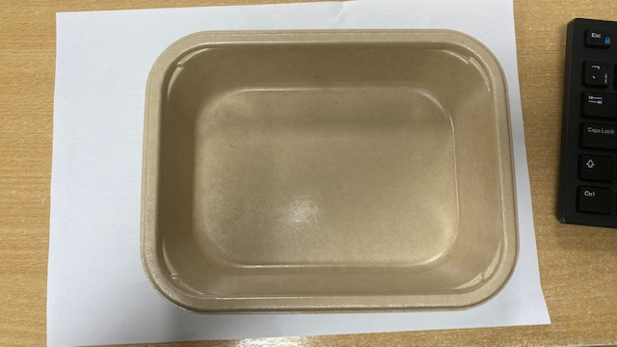 |  |  |  |  | 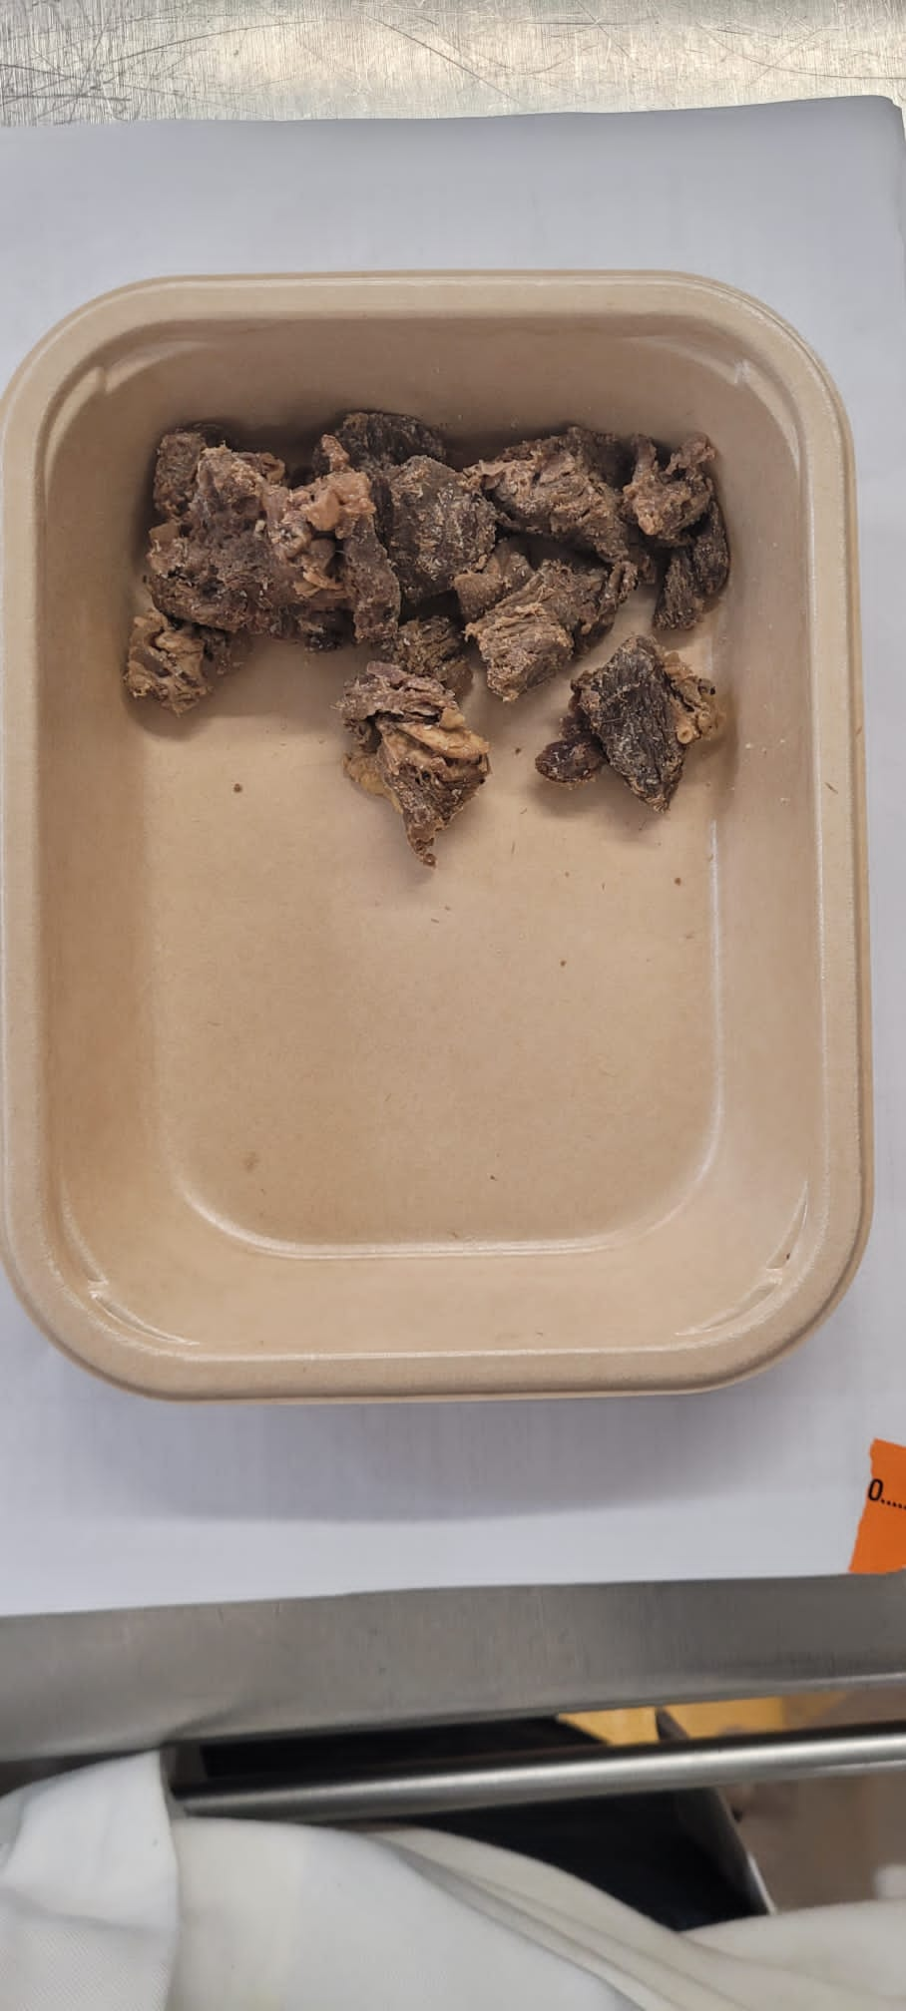 |  |  |  |  |  |  | 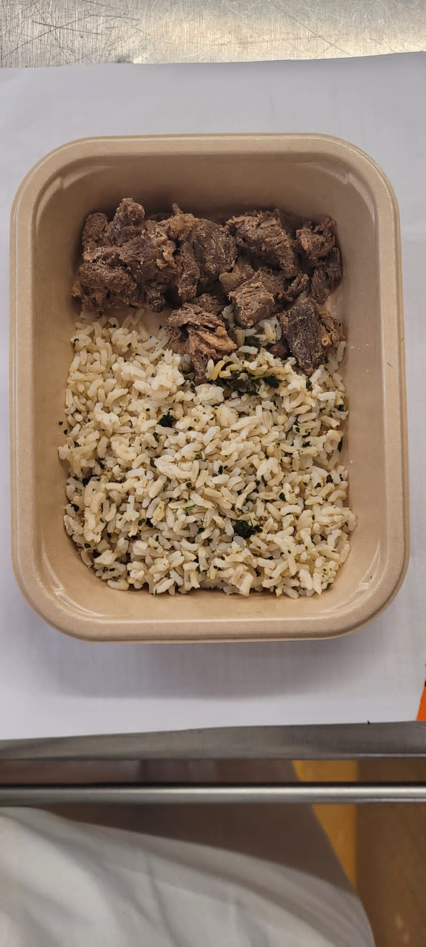

PACK DAY + 1 YEAR NON-MAP PACK

Tray: Flat Tray-PET Fresh Fibre Food Tray (200 x 155 x 39)-PKHUH001-01 |  |  |  |  | Cooked Beef Chuck (GFF360R): 70g |  |  |  |  |  |  | Coriander Brown Rice (GFF255R): 100g
Film: K peel 7G+25A/f-275mm-(PKKMP001-03)

STEP 4 |  |  |  |  |  |  |  |  | STEP 5
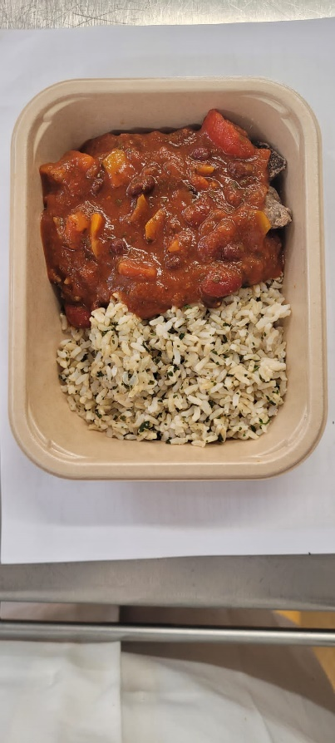 |  |  |  |  |  |  |  |  | 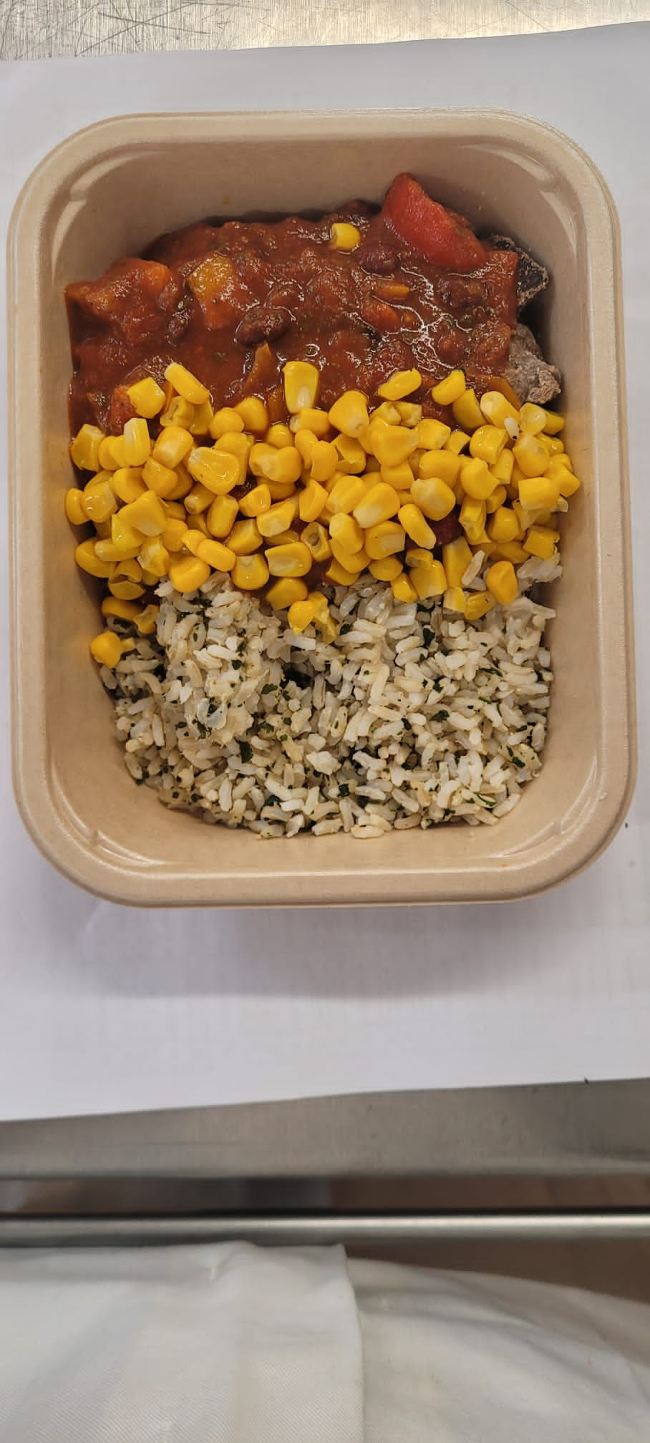

Barbacoa Sauce (GFF359R): 190g |  |  |  |  |  |  |  |  | Steamed Sweet Corn (GFF361R): 40g |  |  |  |  | TOTAL WEIGHT: 400g

ALLERGY ALERT: none

